Sheet1
ORDER FORM
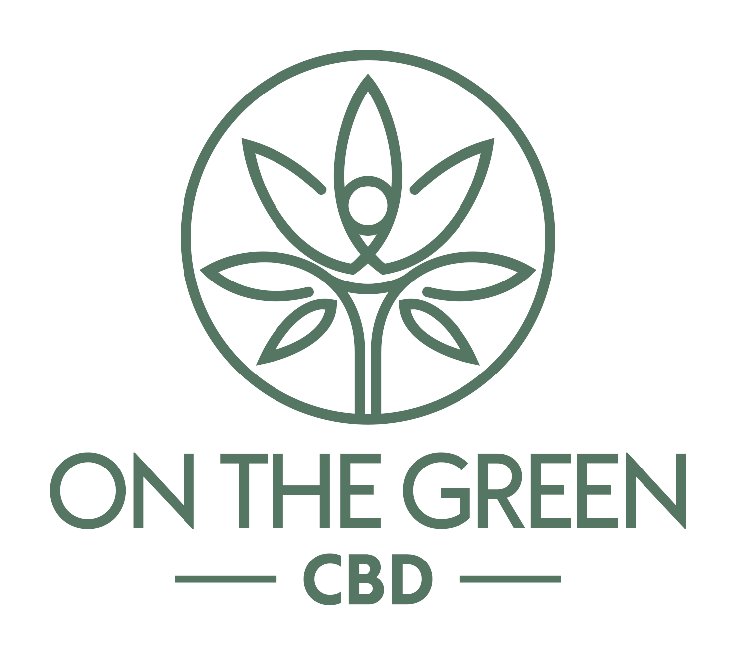 |  | Contact name: | PO #: |  | Date:
 |  | Address:

 |  | Telephone #:
Spa & Wellness
Product | Product SKU | Description | RRP | Wholesale price | QTY | Wholesale Value | Retail Value
Cooling Gel | COOL-SAMPLE | Roll-on cooling gel - Sample size (150ml) 1oz |  | $7.00 | 0 | $- | $-
 | S-COOL500 | Pain Cooling Gel (500 MG) 3oz | $50.00 | $25.00 | 0 | $- | $-
 | BB-COOL1500 | Pain cooling gel (2,665 MG) 16oz (Back Bar) |  | $125.00 | 0 | $- | $-
Pain Cream | ARN-SAMPLE | Arnica & Tumeric Lotion -Sample size (150mg) 1/2oz |  | $7.00 | 0 | $- | $-
 | S-ARN500 | Arnica & Tumeric Lotion 1.7oz (500mg) | $50.00 | $25.00 | 0 | $- | $-
 | S-ARN1500 | Arnica & Turmeric Cream Lotion 5oz (1,500MG) | $110.00 | $55.00 | 0 | $- | $-
 | BB-ARN4700 | Arnica & Turmeric Cream Lotion 16oz Back Bar (4,700mg) |  | $150.00 | 0 | $- | $-
Himalayan Salt Body Scrub | S-SCRUB500 | 12oz 500mg Sugar Scrub | $55.00 | $27.50 | 0 | $- | $-
 | BB-SCRUB1500 | 36oz 1500mg Sugar Scrub (Back Bar) |  | $80.00 | 0 | $- | $-
Massage Oil | S-MASE250 | 4oz 250mg Massage Oil Energizing | $45.00 | $22.50 | 0 | $- | $-
 | BB-MASE1000 | 16oz 1000mg Massage Oil Energizing (Back Bar) |  | $70.00 | 0 | $- | $-
 | BB-MASE8000 | 1 Gallon 8000mg Massage Oil Energizing (BB) |  | $490.00 | 0 | $- | $-
Massage Oil | S-MASR250 | 4oz 250mg Massage Oil Relaxing | $45.00 | $22.50 | 0 | $- | $-
 | BB-MASR1000 | 16oz 1000mg Massage Oil Relaxing (Back Bar) |  | $70.00 | 0 | $- | $-
 | BB-MASR8000 | 1 Gallon 8000mg Massage Oil Relaxing (BB) |  | $490.00 | 0 | $- | $-
Massage Oil | BB-MASU8000 | 1 Gallon 8000mg Massage Oil Un-scented (BB) |  | $490.00 | 0 | $- | $-
 | BB-MASU1000 | 16oz 1000mg Massage Oil Unscented (Back Bar) |  | $70.00 | 0 | $- | $-
Salve | SALVE-SAMPLE | Healing Salve (125mg) 1/2oz |  | $7.00 | 0 | $- | $-
 | S-SAL500 | 2oz 500mg Raw Salve | $50.00 | $25.00 | 0 | $- | $-
 | BB-SAL1000 | 4oz 1000mg Raw Salve (Back Bar) |  | $45.00 | 0 | $- | $-
Body Lotion | BODY-SAMPLE | Manuka Honey Hand & Body Lotion Sample size 1/2oz (30mg) |  | $7.00 | 0 | $- | $-
 | S-BOD500 | 8oz 500mg Manuka Honey Body Lotion | $60.00 | $30.00 | 0 | $- | $-
 | BB-BOD1000 | 16oz 10000mg Manuka Honey Body Lotion (Back Bar) |  | $57.00 | 0 | $- | $-
 |  |  |  |  |  | $- | $-

Golf & Fitness
Product | Product SKU | Description | RRP | Wholesale price | QTY | Order Wholesale Value | Order Retail Value
Cooling Gel | COOL-SAMPLE | Roll-on cooling gel - Sample size (150ml) 1oz |  | $7.00 | 0 | $- | $-
 | COOL550 | Pain Cooling Gel (500 MG) | $50.00 | $25.00 | 0 | $- | $-
 | CHEWDISPLAY | 6 x Cooling Gel with counter display | $300.00 | $150.00 | 0 | $- | $-
Pain Cream | ARN-SAMPLE | Arnica & Tumeric Lotion -Sample size (150mg) 1/2oz |  | $7.00 | 0 | $- | $-
 | ARN500 | Arnica & Tumeric Lotion Custom Formulation | $50.00 | $25.00 | 0 | $- | $-
 | S-ARN1500 | Arnica & Turmeric Cream Lotion 5oz (1,500MG) | $110.00 | $55.00 | 0 | $- | $-
Chewing gum | CHEW10PK | Pepermint Chewing gum (10MG per gum) (10 Pack) | $18.00 | $9.00 | 0 | $- | $-
 | CHEW10PK-S | Spearmint Chewing Gum (10MG per gum) (10 Pack) | $18.00 | $9.00 | 0 | $- | $-
 | CHEWDISPLAY | Counter display Chewing gum 12 x 10 Packs | $216.00 | $108.00 | 0 | $- | $-
Capsules | CAP30PK | Broad Spectrum Distillate THC-Free Soft Gels - 25 mg Broad Spectrum THC Free | $50.00 | $25.00 | 0 | $- | $-
Gummies | GUMS30PK | SLEEP Gummies (25MG per gummy) (30 Pack) | $55.00 | $27.50 | 0 | $- | $-
 | GUME30PK | ENERGY Gummies (25MG per gummy) (30 Pack) | $55.00 | $27.50 | 0 | $- | $-
FOCUS Tincture | FOC1000 | Broad Spectrum THC-Free Distillate Tincture (1 oz) - MCT Oil Lemon 1000 mg | $65.00 | $32.50 | 0 | $- | $-
 | FOC2000 | Broad Spectrum THC-Free Distillate Tincture (1 oz) - MCT Oil Lemon 2000 mg | $95.00 | $47.50 | 0 | $- | $-
RECOVERY Tincture | REC1000 | Broad Spectrum THC-Free Distillate Tincture (1 oz) - MCT Oil Lemon 1000 mg | $65.00 | $32.50 | 0 | $- | $-
 | REC2000 | Broad Spectrum THC-Free Distillate Tincture (1 oz) - MCT Oil Lemon 2000 mg | $95.00 | $47.50 | 0 | $- | $-
CBD +CBN Sleep Tincture | CBN500 | Broad Spectrum THC-Free Distillate Tincture (1 oz) - MCT Oil Lemon 300mg CBD - 200mg CBN | $60.00 | $30.00 | 0 | $- | $-
 | CBN1000 | Broad Spectrum THC-Free Distillate Tincture (1 oz) - MCT Oil Lemon 700mg CBD - 300mg CBN | $80.00 | $40.00 | 0 | $- | $-
Counter Display | DISPLAY | Purpose built branded counter display for On The Green starter pack | $300.00 | $150.00 | 0 | $- | $-
 |  |  |  |  |  | $- | $-

